RO Black and White
MAXIMUM VELOCITY @ MORISSET SHOW 2020
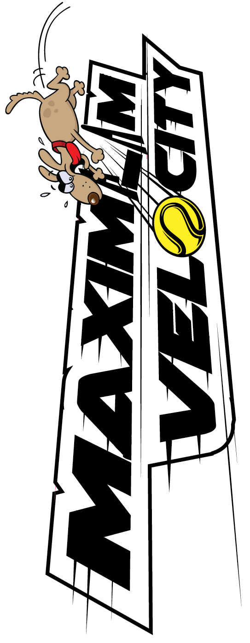
RACE | DIV | LEFT | V | RIGHT
1 | O1 | Thunderdog Tsunami | V | Star Power - SthX
2 | O2 | Puddle Jumpers | V | MAD Flyers'
3 | 2 | Norwest Thunderdogs 6 | V | Woofers X
4 | 1 | Impulse Control | V | Supersonics
5 | O1 | Maximum Velocity | V | Thunderdog Tsunami
6 | O2 | MAD Flyers' | V | Crossfire - SthX
7 | 2 | Sydney Psychos Randoms | V | Norwest Thunderdogs 6
8 | 1 | Supersonics | V | Impulse Control
9 | O1 | Star Power - SthX | V | Thunderdog Tsunami
10 | O2 | Crossfire - SthX | V | Puddle Jumpers
11 | 2 | Woofers X | V | Sydney Psychos Randoms
12 | 1 | Impulse Control | V | Supersonics
13 | O1 | Maximum Velocity | V | Star Power - SthX
14 | O2 | Puddle Jumpers | V | MAD Flyers'
15 | 2 | Woofers X | V | Norwest Thunderdogs 6
16 | 1 | Supersonics | V | Impulse Control
17 | O1 | Star Power - SthX | V | Maximum Velocity
18 | O2 | Crossfire - SthX | V | MAD Flyers'
19 | 2 | Norwest Thunderdogs 6 | V | Sydney Psychos Randoms
MANDATORY BREAK - TRAINING IN THE RING
20 | O1 | Thunderdog Tsunami | V | Maximum Velocity
21 | O2 | Puddle Jumpers | V | Crossfire - SthX
22 | 2 | Sydney Psychos Randoms | V | Woofers X
23 | 1 | Impulse Control | V | Supersonics
24 | O1 | Thunderdog Tsunami | V | Star Power - SthX
25 | O2 | MAD Flyers' | V | Puddle Jumpers
26 | 2 | Norwest Thunderdogs 6 | V | Woofers X
MANDATORY BREAK TRAINING IN THE RING
27 | O1 | Maximum Velocity | V | Thunderdog Tsunami
28 | O2 | MAD Flyers' | V | Crossfire - SthX
29 | 2 | Sydney Psychos Randoms | V | Norwest Thunderdogs 6
30 | 1 | Supersonics | V | Impulse Control
31 | O1 | Star Power - SthX | V | Maximum Velocity
32 | O2 | Crossfire - SthX | V | Puddle Jumpers
33 | 2 | Woofers X | V | Sydney Psychos Randoms
MANDATORY BREAK
CHAMPIONS OF CHAMPIONS

