Singles and Pairs form
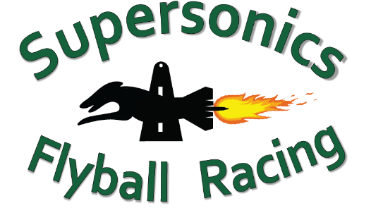
Rookies in the Ring - Singles and Pairs (novelty) Form
Saturday 18 May 2024
Email the completed form to racing@supersonicsflyball.com
Please make a single payment ($10 per dog) to: Supersonics Flyball Racing | BSB: 064776 | Account number: 10068983 | Ref: Club name
No. | Singles / Pairs (select from drop-down) | Dog 1 Name | Dog 1 CRN | Handler 1 Name | Handler 1 CRN | Dog 2 Name | Dog 2 CRN | Handler 2 Name | Handler 2 CRN | Pairs Name | Seed Time
1
2
3
4
5
6
7
8
9
10
11
12
13
14
14
15
16
17
18
19
20
21
22
23
24
25

